1. Title Page
Instacart Data Analysis

Project Name: Instacart Data Analysis
Date: 2025-02-16
Analyst Name: George Kechichian

Contents:
Population Flow
Consistency checks
Wrangling steps
Column derivations
Visualizations
Recommendations

Data Citation
“The Instacart Online Grocery Shopping Dataset 2017”, Accessed from www.instacart.com/datasets/grocery-shopping-2017 via Kaggle on 2025-02-07.
Customer data & the 'prices' column are fabricated.

2. Population Flow
Title page

Population flow

Exclusion flag
Condition: max_order < 5
Obervations to be removed: 1,440,295
Final total count of order_products_all: 30,964,564

Orders_products_combined
Orders_products_merged
Orders_products_all

Total: 32,404,859
Total: 32,434,489
Total: 32,404,859

1.) The grey boxes in the first row of the population flow represent the original data sets as they were when you downloaded them. In the Total fields you need to add the count of the rows when you imported the data set into Jupyter.
2.) The second row of boxes (coloured) represents the data sets after you manipulated them, e.g., removed missing values and duplicates. In the Total fields you need to add the count of the rows after conducting these operations. This offers a visual oveview of how the data flows throughout the data consistency checks.
3.) The third row, where also the arrows are coloured, represents the merges you performed between the datasets. In the Total fields you need to add the count of the rows in the merged datasets, so that you end up with the final dataset (in the red box). Keep in mind the final dataset should be without exclusions (based on the exclusion flag).

3. Consistency checks
 |  |  |  | Title page
Consistency checks

Dataset | Missing values | Missing values treatment | Duplicates
orders | 206,209 in days_since_prior_order column | Nothing, I noticed they were all first time orders | No duplicates
products | 16 missing product names | created a new table that excluded any missing data (basically deleted rows with missing data) | 5 Duplicates. Deleted them
orders_products_prior | None | None | No duplicates
customers | None | None | No duplicates
final data set | prices above 100 were marked as missing | Left them in the dataset | No duplicates

4. Wrangling steps
 |  |  |  | Title page
Wrangling steps

Columns dropped | Columns renamed | Columns' type changed | Comment/Reason
 | First Name to first_name |  | consistency
 | Surnam to last_name |  | consistency
 | Gender to gender |  | consistency
 | STATE to state |  | consistency
 | Age to age |  | consistency
 | fam_status to family_status |  | consistency
 | order_dow to order_day_of_week |  | easier to understand

5. Column derivations
 |  |  |  | Title page

Column derivations and aggregations

In this tab you should add tables below that the frequences of flags/label variables that you produced after deriving them. NB: don't do this for continuous variables, only for flags.
Dataset | New column | Column/s it was derived from | Conditions
ords_prods_merge | price_range | prices | if prices <=5: low-range product if prices >5 and <=15: mid-range product if prices > 15: high range else: not enough data
ords_prods_merge | busiest_day | order_day_of_week | if value == 0: busiest day if value == 4: least busy else: regularly busy
ords_prods_merge | busiest_period_of_day | time_of_order | if value in [10,11,14,15,13,12,16,9]: Most orders if value in [17,8,18,19,20,7,21,22]: average orders else: fewest orders
ords_prods_merge_revised | loyalty_flag | max_order | if max order> 40: loyal customer if max order <=40 & >10: regular customer if max order <= 10: new customer
ords_prods_merge_revised | spending_flag | avg_product_price | if avg_product_price < 10: Low Spender if avg_product_price >= 10: High Spender
ords_prods_merge_revised | order_frequency_flag | median_days_since_last_order | if median days > 20: Non-frequent customer if median days >10 & <=20: Regular customer if median days <= 10: Frequent customer
2025.02.13_Data | region | state | https://simple.wikipedia.org/wiki/List_of_regions_of_the_United_States used the list of states from this link
2025.02.13_Data | exclusion flag | max_order | if max order < 5: low activity customer if max order >=5: high activity customer
2025.02.13_Data (after exclusion) | age_group | age | if age <= 29: Young Adult if age >29 & <= 39: Adult if age >39 & <= 59: Middle-Age Adult if age >59: Senior
2025.02.13_Data (after exclusion) | income_level | income | if income <= 56600: low income if income >56600 & <= 169800: middle income if income > 169800: high income
2025.02.13_Data (after exclusion) | dept_category | department_id | if dept_id isin [4,12,20]: fresh food if dept_id isin [1,9,10,13,15]: frozen & pantry if dept_id isin [3,14,19]: snacks & breakfast if dept_id isin [11,17]: household & personal care if dept_id isin [8,18]: baby & pet care if dept_id isin [2,21]: other if dept_id == 16: dairy & eggs if dept_id == 6: international foods if dept_id == 5: alcohol if dept_id == 7: beverages
2025.02.13_Data (after exclusion) | has_dependants | n_dependants | if n_dependants > 0: has dependants if n_dependants ==0: no dependants

6. Visualizations
 | Title page

Visualisations

Question 1: What are the busiest days of the week and busiest hours of the day?
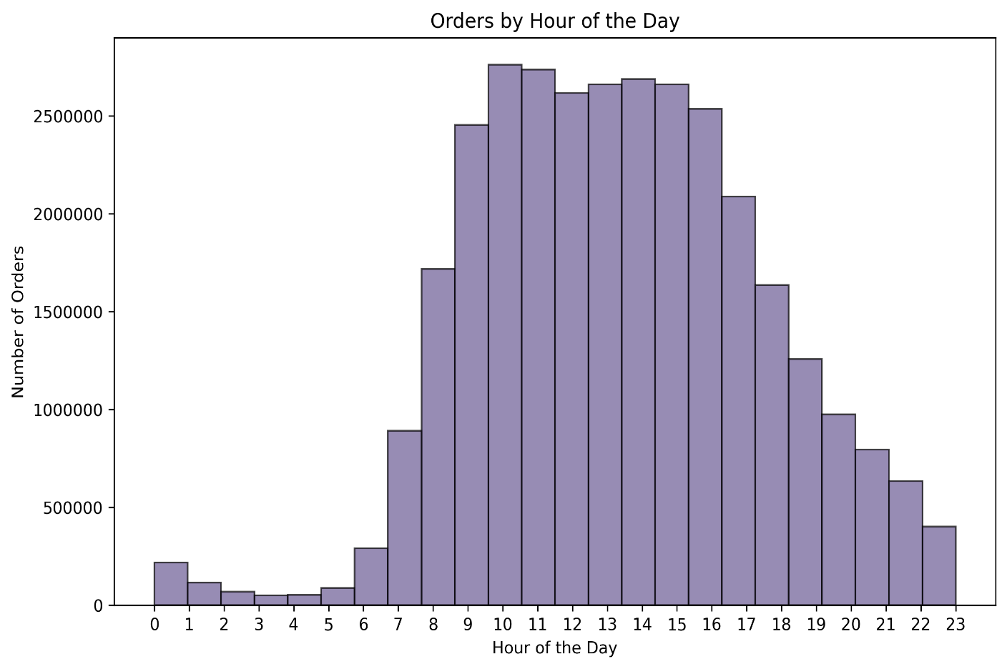
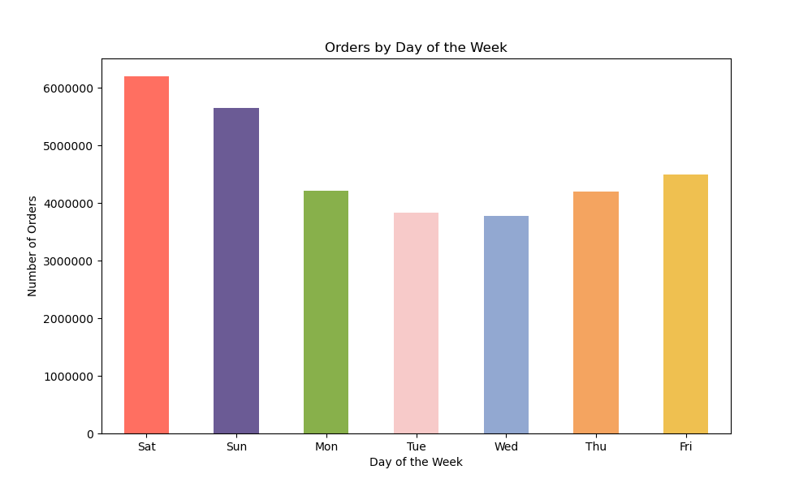

Answer 1: Week ends are the busiest days of the week. Saturday ranks first, followed by Sunday then Friday. Wednesday has the lowest number of orders. In terms of hours of the day, most orders are placed between 9AM and 4PM. The number of orders decreases during the evening and is close to 0 overnight.

Question 2: What times during the day do people spend the most money?

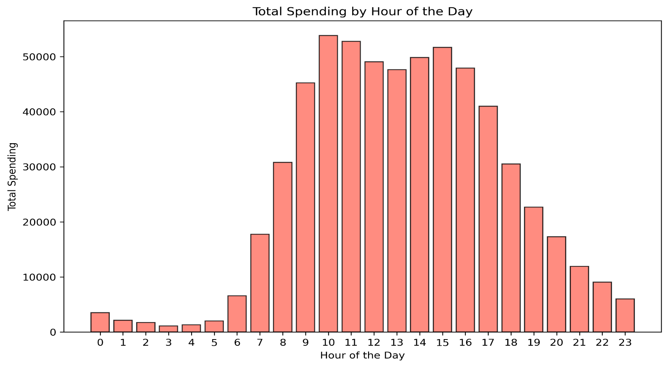

Spending by Hour of Day

Answer 2: In terms of total orders, customers spent the most between 9AM and 4PM. In terms of products, it seems like orders placed at 10AM had the lowest average product price of 7.750 while orders throughout the day were closer to 7.8

Question 3: Are there certain types of products that are more popular than others?

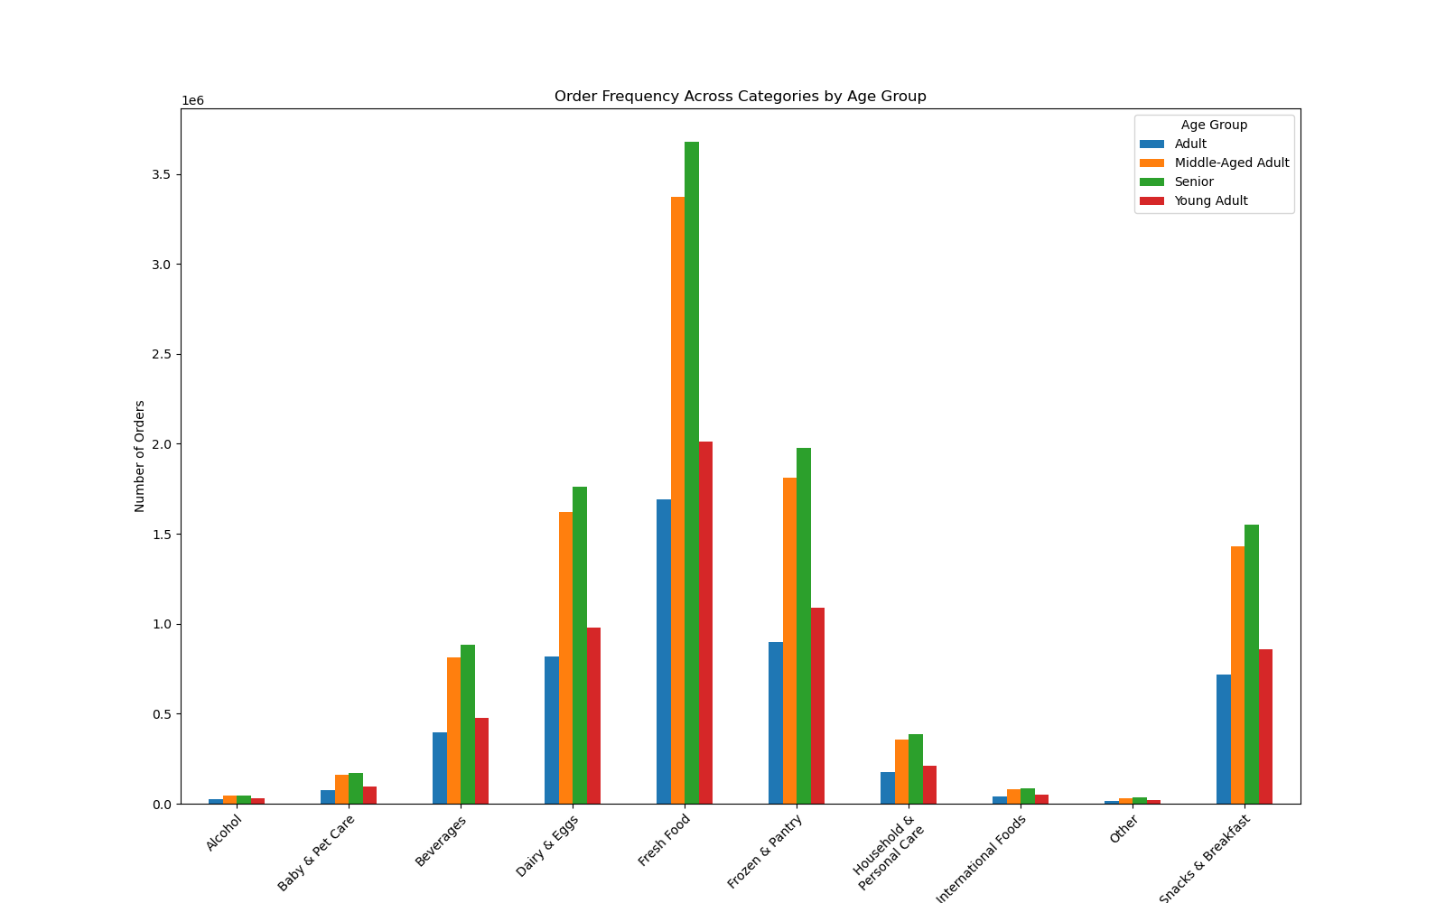

Answer 3: Fresh Food (Product, Deli, Meat & Seafood) was the product category with the most orders

Question 4: Whats the customer distribution in regards to loyalty?

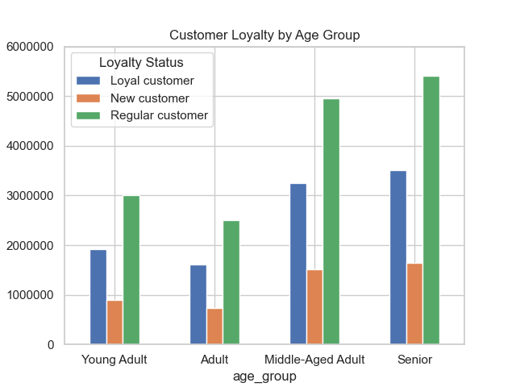

Answer 4: Seniors make up the largest amount of our customers.

Question 5: Are there differences in ordering habits based on loyalty?
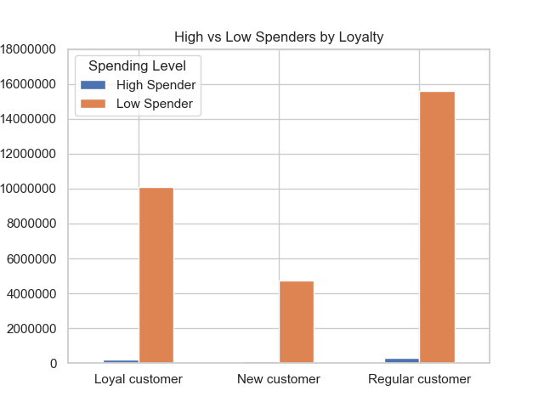

Answer 5: We have a very small amount of high spenders. Most of our customers are considered low spenders.

Question 6: Are there differences in ordering habits based on region?

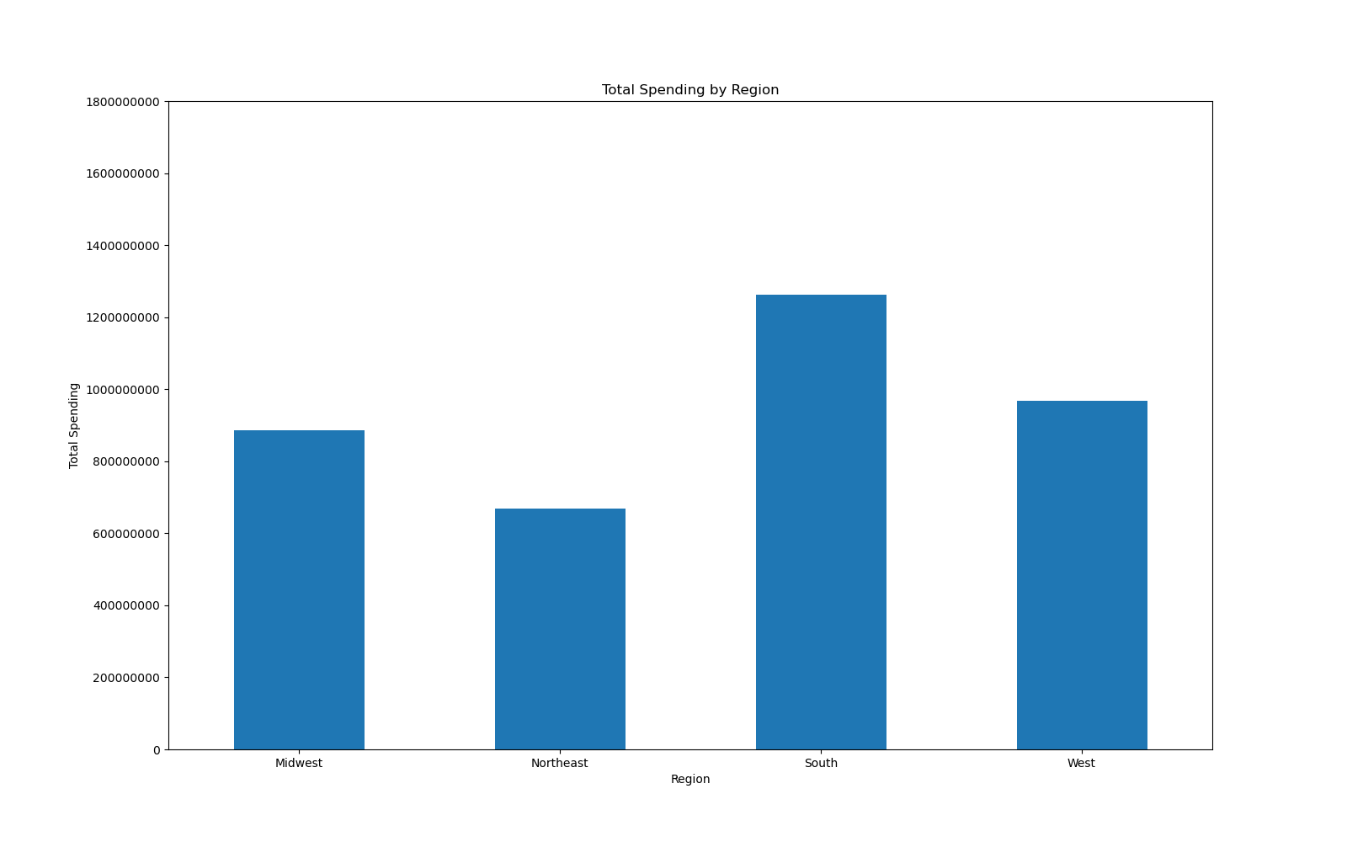
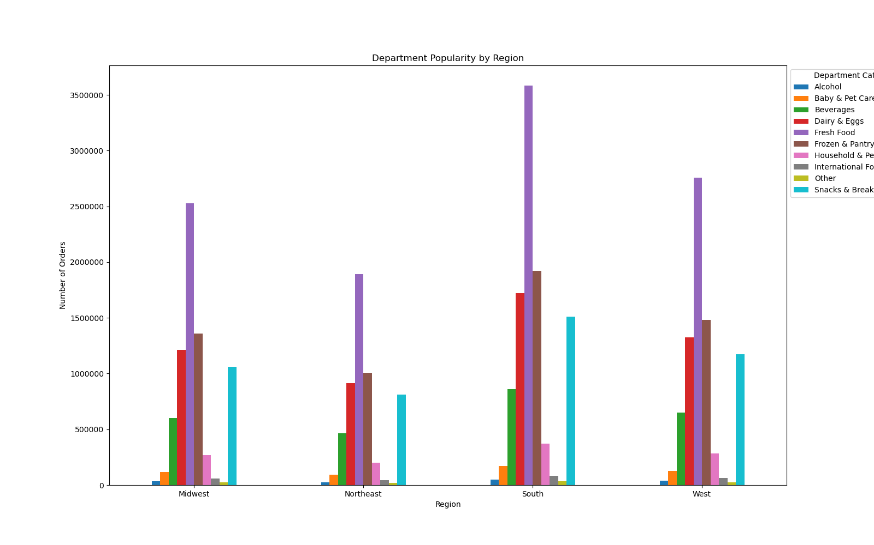

Answer 6: In terms of total spending, the South region spent the most. In terms of products, there doest seem to be anything unusal in the bar chart on the right. It looks like all regions buy the same items.

Question 7: Is there a connection between age and family status in terms of ordering habits?
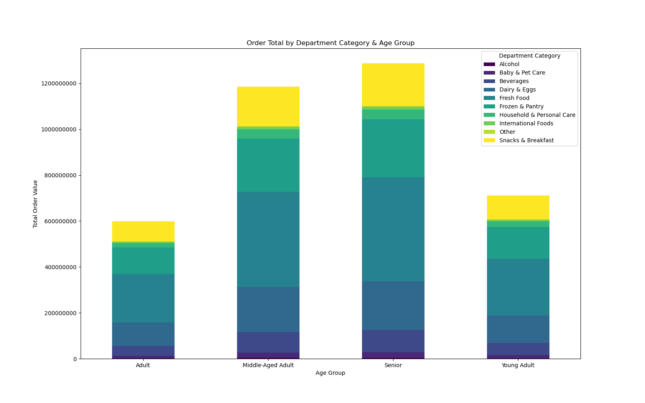
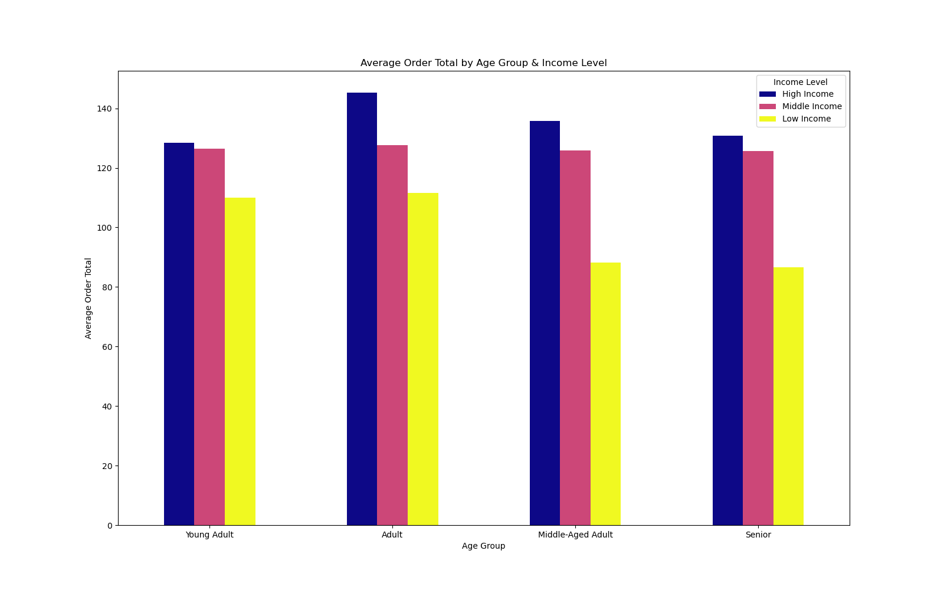

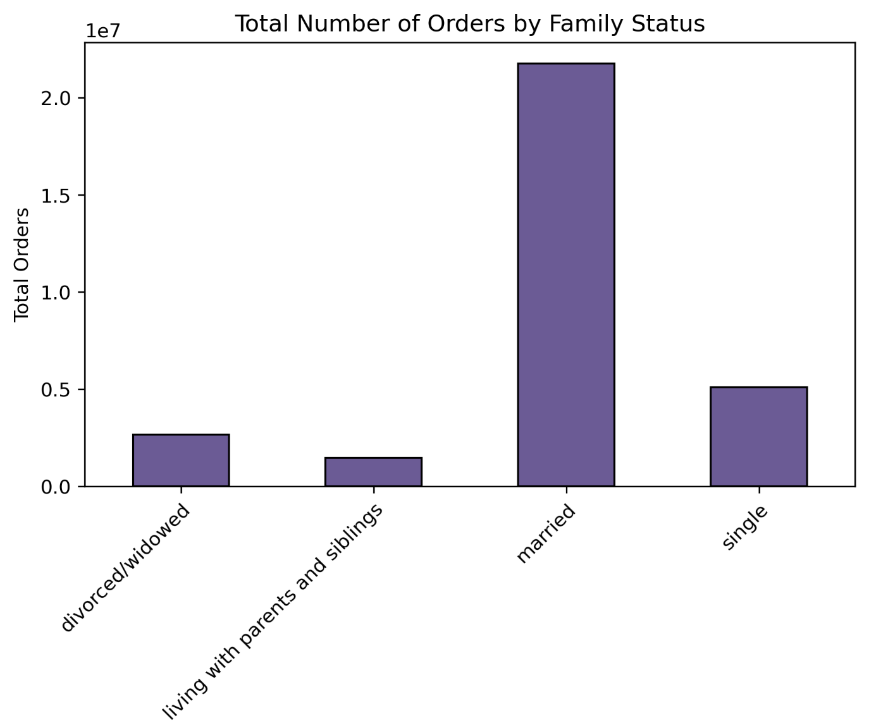
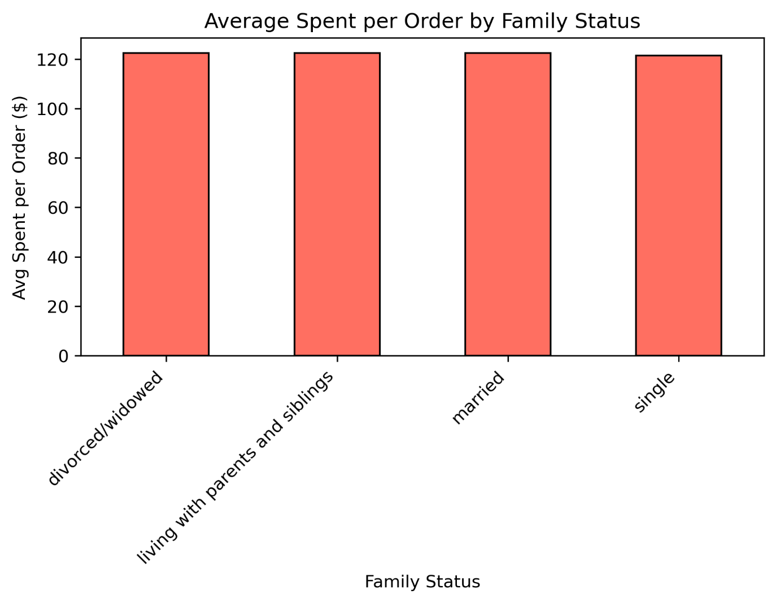

Answer 7: In terms of Age Group, we can tell that Seniors spent the most, the category that customers spent the most on was Fresh Food (produce, deli, meat & seafood). Adults spend the most on average per order. Middle aged adults and seniors with low income, spent on average $20 less than younger customers In terms of family status, married customers placed the most orders. All types of families spend the same on average per order.

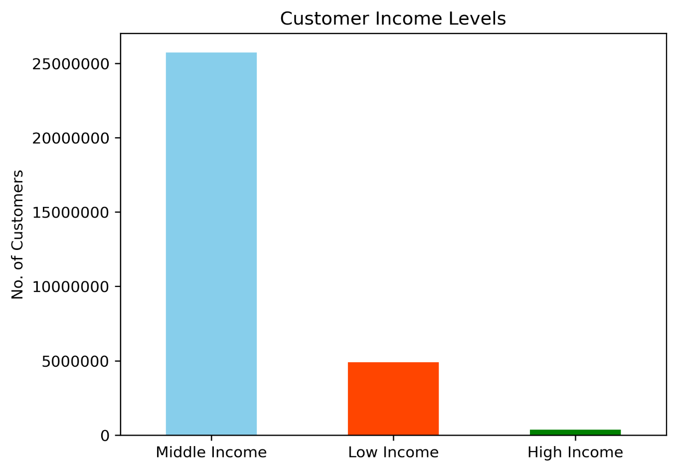
Question 8: What different classifications does the demographic information suggest?
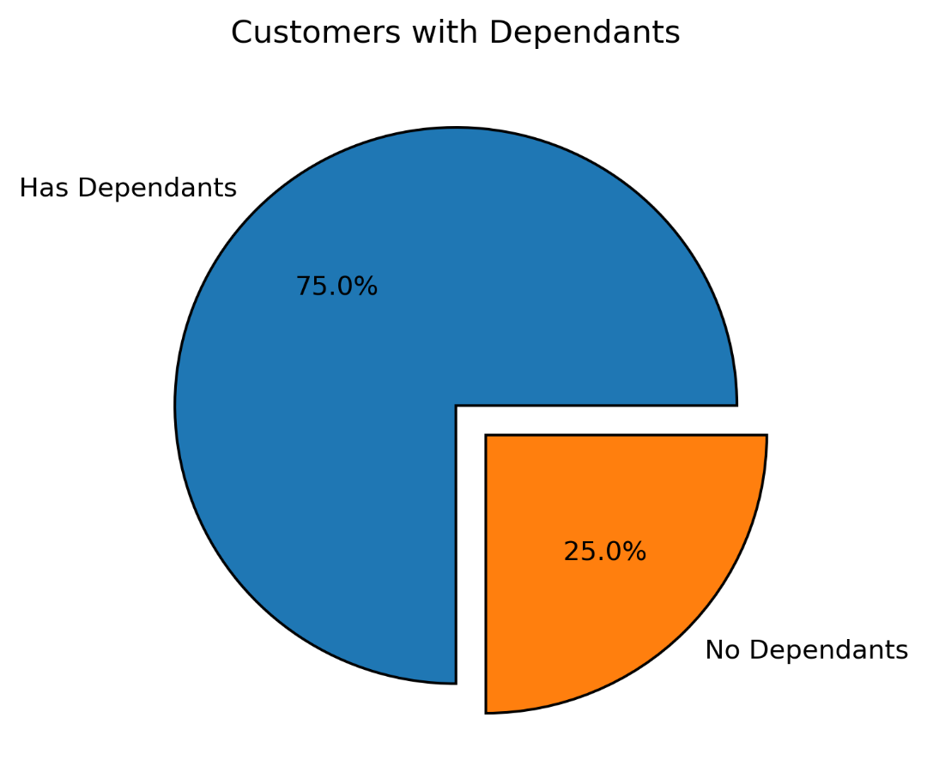
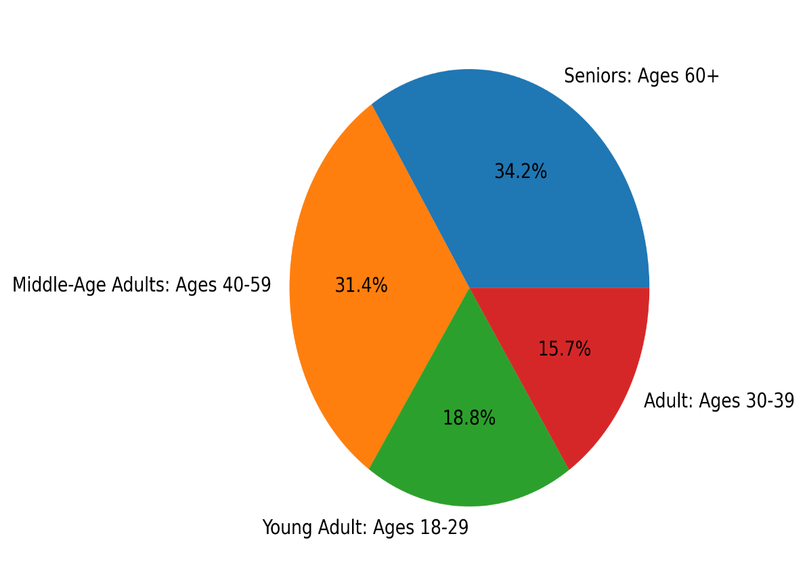

Answer 8: Most of our customers are seniors, followed by middle aged adults. 75% of our customers have dependants Most of our customers are in the middle income class

Question 9: What differences can you find in ordering habits of different customer profiles?
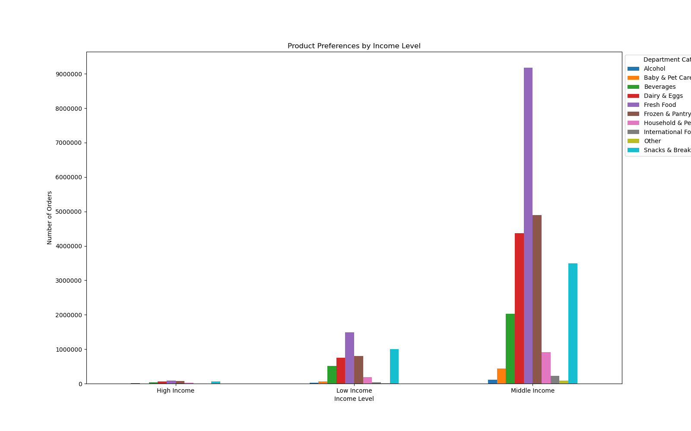

Answer 9: in terms of prodcuts, all age groups and all income levels spent the most on fresh food.

7. Recommendations
 |  |  |  |  |  | Title page

Recommendations

Question |  | Visuals |  |  |  |  | Answer
Key Question 1: What are the busiest days of the week and busiest hours of the day? |  |  |  |  |  |  | Key inights: - Weekends are the busiest. Saturday has the highest order volume, followed by Sunday and Friday. The slowest day is Wednesday. Recommendations: - Consider increasing staff during peak hours to ensure fast fulfillment - Consider off-peak discounts/promotions to balance demand - Offer weekend promotions to capitalize on high demand - Peak ordering hours are 9AM - 4PM. Order volume drops in the evening and is nearly zero overnight.
Key Question 2: What times during the day do people spend the most money? |  |  |  |  |  |  | Key inights: - Spending follows the same pattern as order volume, peaking between 9AM - 4PM - Lowest avg product price is at 10AM ($7.75), with the rest of the day around $7.80 Recommendations: - Promote premium prodcuts during high traffic hours
Key Question 3: Are there certain types of products that are more popular than others? |  |  |  |  |  |  | Key inights: - Fresh Food (produce, deli, meat & seafood) is the top category across all age groups Recommendations: - Bundle fresh food with related items, in an attempt to increase sale of other prodcuts
Key Question 4: Whats the customer distribution in regards to loyalty? |  |  |  |  |  |  | Key inights: - Seniors make up the largest segment of our customers, followed by middle-aged adults, young adults and finally adults Recommendations: - Tailor marketing to seniors - Ensure ease of use and reliabilty - Consider loyalty incentives for younger age groups
Key Question 5: Are there differences in ordering habits based on loyalty? |  |  |  |  |  |  | Key inights: - The majority of our customers are low spenders. Recommendations: - Introduce loyalty tiers to encourage higher spending
Key Question 6: Are there differences in ordering habits based on region? |  |  |  | 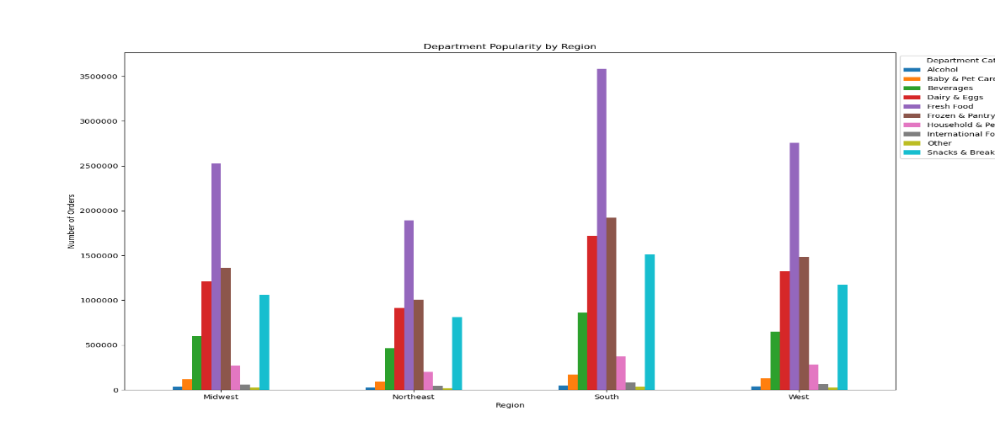 |  |  | Key inights: - The South region spends the most overall - No major differences in department preferences across regions Recommendations: - Consider regional promotions to increase spending in under-performing regions
Key Question 7: Is there a connection between age and family status in terms of ordering habits? |  |  |  |  |  |  | Key inights: - Seniors spend the most overall, with Fresh food being the top category - Adults have the highest average spend per order - Middle Aged Adults and Seniors with lower income spend around $20 less on average when compared to the younger customers - Married customers place the most orders - Average spending per order is similar across all family statuses Recommendations: - Consider promotions and discounts to low income middle aged and senior customers - Consider family oriented promotions
 |  |  |  |  | 
Key Question 8: What different classifications does the demographic information suggest? |  |  |  |  |  |  | Key inights: - Seniors are our largest customer base, followed by middle-aged adults - 75% of customers have dependents - Most customers fall into the middle income category Recommendations: - As previously mentioned, since seniors make up most of our customer base, we should focus on ease of access and reliability
 |  | 
Key Question 9: What differences can you find in ordering habits of different customer profiles? |  | 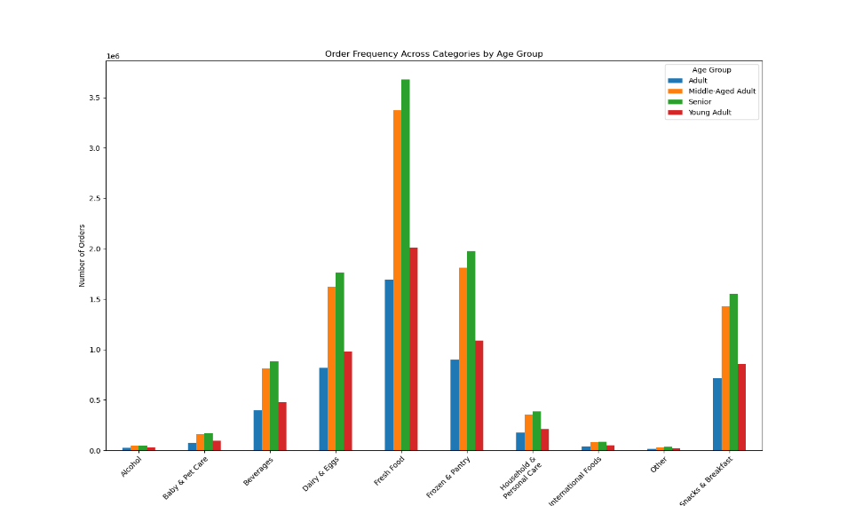 |  |  |  |  | Key inights: - All age groups and income levels prioritize the fresh food category Recommendations: - Promote fresh food in all marketing efforts since it’s the top performing category
 |  | 

